Calculations
 | Cd | 0.98 | Discharge coefficient (0.61 - 0.98)
 | Oz/in3 | 0.554
 | Full tank | 100 | oz
 | Height | 12 | in
 | Oz / Inch | 8.3333333333
 | Dia d | 0.250 | in
 | a | 0.049 | in2
 | g | 32.2 | ft/sec2
 | Serving Size (oz) | 8 | 6.667 %

 |  |  |  | X | Y
t | Flow Rate (oz/s) | Oz in 5 sec | H (in) | % Full | Flow Rate (oz/s)
0 | 0.74 |  | 12.000 | 100.00 | 0.74
5 | 0.73 | 3.705 | 11.555 | 96.29 | 0.73
10 | 0.71 | 3.636 | 11.119 | 92.66 | 0.71
15 | 0.70 | 3.566 | 10.691 | 89.09 | 0.70
20 | 0.69 | 3.497 | 10.271 | 85.60 | 0.69 | % Full | Flow Rate | t | % Full | Flow Rate | t | Serving
25 | 0.67 | 3.428 | 9.860 | 82.17 | 0.67 | 100.00 | 0.741 | 10.8 | 100.00 | 0.741 | 10.8 | 8.00
30 | 0.66 | 3.359 | 9.457 | 78.81 | 0.66 | 92.00 | 0.711 | 11.3 | 92.00 | 0.711 | 10.8 | 7.68
35 | 0.64 | 3.289 | 9.062 | 75.52 | 0.64 | 84.00 | 0.679 | 11.8 | 84.32 | 0.680 | 10.8 | 7.35
40 | 0.63 | 3.220 | 8.676 | 72.30 | 0.63 | 76.00 | 0.646 | 12.4 | 76.97 | 0.650 | 10.8 | 7.02
45 | 0.62 | 3.150 | 8.298 | 69.15 | 0.62 | 68.00 | 0.611 | 13.1 | 69.95 | 0.620 | 10.8 | 6.69
50 | 0.60 | 3.081 | 7.928 | 66.07 | 0.60 | 60.00 | 0.574 | 13.9 | 63.26 | 0.589 | 10.8 | 6.37
55 | 0.59 | 3.012 | 7.567 | 63.06 | 0.59 | 52.00 | 0.534 | 15.0 | 56.89 | 0.559 | 10.8 | 6.04
60 | 0.57 | 2.942 | 7.214 | 60.11 | 0.57 | 44.00 | 0.492 | 16.3 | 50.86 | 0.528 | 10.8 | 5.71
65 | 0.56 | 2.873 | 6.869 | 57.24 | 0.56 | 36.00 | 0.445 | 18.0 | 45.15 | 0.498 | 10.8 | 5.38
70 | 0.55 | 2.803 | 6.533 | 54.44 | 0.55 | 28.00 | 0.392 | 20.4 | 39.77 | 0.467 | 10.8 | 5.05
75 | 0.53 | 2.734 | 6.205 | 51.71 | 0.53 | 20.00 | 0.331 | 24.1 | 34.72 | 0.437 | 10.8 | 4.72
80 | 0.52 | 2.664 | 5.885 | 49.04 | 0.52 | 12.00 | 0.257 | 31.2 | 30.01 | 0.406 | 10.8 | 4.38
85 | 0.51 | 2.595 | 5.574 | 46.45 | 0.51 | 4.00 | 0.148 | 54.0 | 25.62 | 0.375 | 10.8 | 4.05
90 | 0.49 | 2.525 | 5.271 | 43.92 | 0.49 |  | #VALUE! |  | 21.57 | 0.344 | 10.8 | 3.72
95 | 0.48 | 2.455 | 4.976 | 41.47 | 0.48 | #VALUE! | #VALUE! |  | 17.86 | 0.313 | 10.8 | 3.38
100 | 0.46 | 2.386 | 4.690 | 39.08 | 0.46 | #VALUE! | #VALUE! |  | 14.47 | 0.282 | 10.8 | 3.04
105 | 0.45 | 2.316 | 4.412 | 36.76 | 0.45 | #VALUE! | #VALUE! |  | 11.43 | 0.251 | 10.8 | 2.71
110 | 0.44 | 2.247 | 4.142 | 34.52 | 0.44 | #VALUE! | #VALUE! |  | 8.72 | 0.219 | 10.8 | 2.36
115 | 0.42 | 2.177 | 3.881 | 32.34 | 0.42 | #VALUE! | #VALUE! |  | 6.36 | 0.187 | 10.8 | 2.02
120 | 0.41 | 2.107 | 3.628 | 30.23 | 0.41 | #VALUE! | #VALUE! |  | 4.34 | 0.154 | 10.8 | 1.67
125 | 0.39 | 2.037 | 3.384 | 28.20 | 0.39 | #VALUE! | #VALUE! |  | 2.67 | 0.121 | 10.8 | 1.31
130 | 0.38 | 1.967 | 3.147 | 26.23 | 0.38 | #VALUE! | #VALUE! |  | 1.37 | 0.087 | 10.8 | 0.94
135 | 0.37 | 1.898 | 2.920 | 24.33 | 0.37 | #VALUE! | #VALUE! |  | 0.43 | 0.049 | 10.8 | 0.52
140 | 0.35 | 1.828 | 2.700 | 22.50 | 0.35 | #VALUE! | #VALUE! |  | -0.09 | #NUM! | 10.8 | #NUM!
145 | 0.34 | 1.758 | 2.490 | 20.75 | 0.34 | #VALUE! | #VALUE! |  |  | #VALUE! | 10.8 | #VALUE!
150 | 0.32 | 1.688 | 2.287 | 19.06 | 0.32 | #VALUE! | #VALUE! |  |  | #VALUE! | 10.8 | #VALUE!
155 | 0.31 | 1.617 | 2.093 | 17.44 | 0.31 | #VALUE! | #VALUE! |  |  | #VALUE! | 10.8 | #VALUE!
160 | 0.30 | 1.547 | 1.907 | 15.89 | 0.30 | #VALUE! | #VALUE! |  |  | #VALUE! | 10.8 | #VALUE!
165 | 0.28 | 1.477 | 1.730 | 14.42 | 0.28 | #VALUE! | #VALUE!
170 | 0.27 | 1.407 | 1.561 | 13.01 | 0.27 | #VALUE! | #VALUE!
175 | 0.25 | 1.336 | 1.401 | 11.67 | 0.25 | #VALUE! | #VALUE!
180 | 0.24 | 1.266 | 1.249 | 10.41 | 0.24 | #VALUE! | #VALUE!
185 | 0.22 | 1.195 | 1.105 | 9.21 | 0.22 | #VALUE! | #VALUE!
190 | 0.21 | 1.125 | 0.971 | 8.09 | 0.21 | #VALUE! | #VALUE!
195 | 0.20 | 1.054 | 0.844 | 7.03 | 0.20 | #VALUE! | #VALUE!
200 | 0.18 | 0.983 | 0.726 | 6.05 | 0.18 | #VALUE! | #VALUE!
205 | 0.17 | 0.911 | 0.617 | 5.14 | 0.17 | #VALUE! | #VALUE!
210 | 0.15 | 0.840 | 0.516 | 4.30 | 0.15 | #VALUE! | #VALUE!
215 | 0.14 | 0.768 | 0.424 | 3.53 | 0.14 | #VALUE! | #VALUE!
220 | 0.12 | 0.696 | 0.340 | 2.84 | 0.12 | #VALUE! | #VALUE!
225 | 0.11 | 0.624 | 0.265 | 2.21 | 0.11 | #VALUE! | #VALUE!
230 | 0.10 | 0.551 | 0.199 | 1.66 | 0.10 | #VALUE! | #VALUE!
235 | 0.08 | 0.477 | 0.142 | 1.18 | 0.08 | #VALUE! | #VALUE!
240 | 0.07 | 0.403 | 0.094 | 0.78 | 0.07 | #VALUE! | #VALUE!
245 | 0.05 | 0.327 | 0.054 | 0.45 | 0.05 | #VALUE! | #VALUE!
250 | 0.03 | 0.249 | 0.024 | 0.20 | 0.03 | #VALUE! | #VALUE!
255 | 0.01 | 0.167 | 0.004 | 0.04 | 0.01 | #VALUE! | #VALUE!
260 | #NUM! | 0.071 | -0.004 | -0.03 | #NUM! | #VALUE! | #VALUE!
265 | #NUM! | #NUM! | #NUM! | #NUM! | #NUM! | #VALUE! | #VALUE!
270 | #NUM! | #NUM! | #NUM! | #NUM! | #NUM! | #VALUE! | #VALUE!
275 | #NUM! | #NUM! | #NUM! | #NUM! | #NUM! | #VALUE! | #VALUE!
280 | #NUM! | #NUM! | #NUM! | #NUM! | #NUM! | #VALUE! | #VALUE!
285 | #NUM! | #NUM! | #NUM! | #NUM! | #NUM! | #VALUE! | #VALUE!
290 | #NUM! | #NUM! | #NUM! | #NUM! | #NUM! | #VALUE! | #VALUE!
295 | #NUM! | #NUM! | #NUM! | #NUM! | #NUM! | #VALUE! | #VALUE!
300 | #NUM! | #NUM! | #NUM! | #NUM! | #NUM! | #VALUE! | #VALUE!
305 | #NUM! | #NUM! | #NUM! | #NUM! | #NUM! | #VALUE! | #VALUE!
310 | #NUM! | #NUM! | #NUM! | #NUM! | #NUM! | #VALUE! | #VALUE!
 |  |  |  |  |  | #VALUE! | #VALUE!
 |  |  |  |  |  | #VALUE! | #VALUE!
 |  |  |  |  |  | #VALUE! | #VALUE!

Sheet2
 | Test Serving Size (oz) | 8

100.00 | 0.800
92.00 | 0.842
84.00 | 0.791
76.00 | 0.766
68.00 | 0.678
60.00 | 0.653
52.00 | 0.493
44.00 | 0.489
36.00 | 0.436
28.00 | 0.397
20.00 | 0.325
12.00 | 0.299
 | 0.000
 | 0.000
Water left | % Full | Time (sec) | Flow Rate
100 | 100.00 | 10 | 0.800
92 | 92.00 | 10 | 0.842
84 | 84.00 | 10 | 0.791 | 10
76 | 76.00 | 10 | 0.766 | 10
68 | 68.00 | 12 | 0.678 | 10
60 | 60.00 | 12 | 0.653 | 10
52 | 52.00 | 16 | 0.493 | 12
44 | 44.00 | 16 | 0.489 | 12
36 | 36.00 | 18 | 0.436 | 16
28 | 28.00 | 20 | 0.397 | 16
20 | 20.00 | 25 | 0.325 | 18
12 | 12.00 | 27 | 0.299 | 20
 |  |  |  | 25
 |  | #VALUE! | #VALUE! | 27
 |  | #VALUE! | #VALUE!

Formula
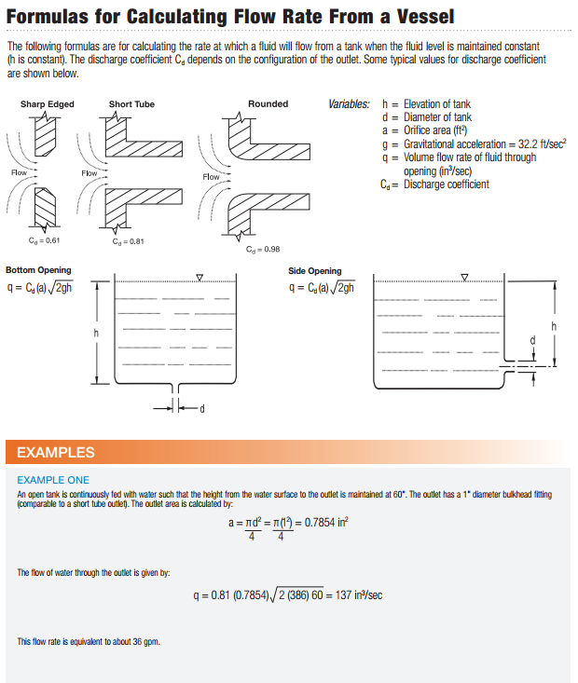
https://www.haywardflowcontrol.com/images/flowcontrol/PDF/VessFlow.pdf

